Setback Sch
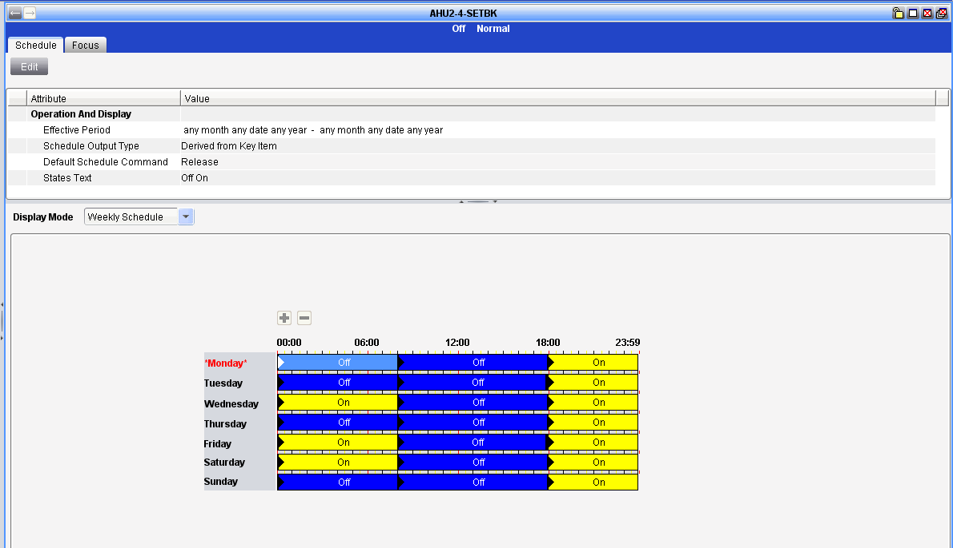
Day | 00:00:00 to 08:00 | 08:00:00 to 18:00 | 18:00 to 23:59:00
Monday | Off | Off | On
Tuesday | Off | Off | On
Wednesday | On | Off | On
Thursday | Off | Off | On
Friday | On | Off | On
Saturday | On | Off | On
Sunday | Off | Off | On

